Products
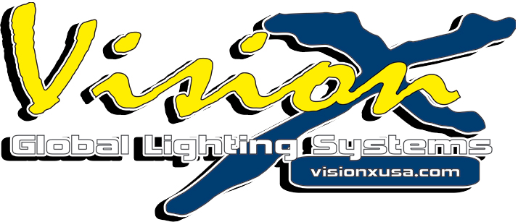
 |  |  |  |  |  |  |  | 2013+ JEEP JK-X FOG LIGHT KIT

 |  |  |  |  |  |  |  | Confidential Price List
 |  |  |  |  |  |  |  | Supersedes all previous price sheets.
 |  |  |  |  |  |  |  | Prices are subject to change without notice.
 |  |  |  |  |  |  |  | Models shown are stocked items, additional models avaiable for special order.
Vision X Lighting -1601 Boundary Blvd Auburn, WA 98001 Ph: 888-489-9820 Fx: 253-218-2905
Vision X Master Changes: |  | New Product |  | New Price
ITEM # | PART # (Stock Code) | MSRP | JOBBER | DESCRIPTION | VOLTAGE | CAT PAGE | POP CODE | QTY
XIL-OE13JKX | 9891064 | $73.75 | $59.00 | 13+ JEEP JK-X FOG LIGHT UPGRADE BRACKETS | N/A | - | N | EA
XIL-OE13JKXOPR | 9891071 | $373.75 | $299.00 | 13+ JEEP JK-X FOG LIGHT UPGRADE BRACKETS WITH XIL-OPR110KIT | 12-32V DC | - | N | EA
XIL-OE13JKXOPR120 | 9891088 | $373.75 | $299.00 | 13+ JEEP JK-X FACTORY FOG LIGHT BRACKETS WITH XIL-OPR120KIT | 12-32V DC | - | N | EA

